Objectives hierarchy
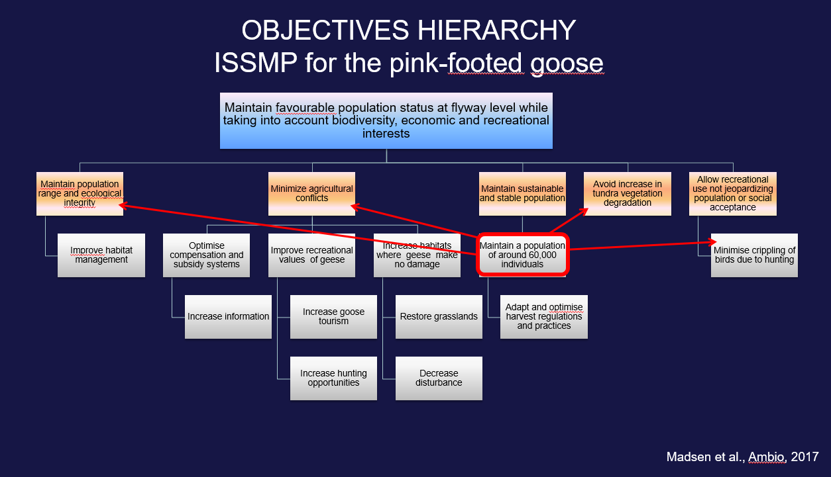

Score of objectives
Row Labels | Average of Score (purpose)(avg of objectives at level 1) | Row Labels | Average of Score (purpose)(avg of objectives at level 1)
I. International coordination and dicision making
I. Maintain population range and ecological integrity | 3.5
II. Minimise agricultural conflicts | 3.1666666667
II. Task Force
III. Maintain sustainable and stable population | 4
III. National implementation |  | V. Allow recreational use not jeopardizing population or social acceptance | 5
Implementation and evaluation of the performance of actions |  | IV. Avoid increase in tundra vegetation degradation | 3
IV. Avoid increase in tundra vegetation degradation | 3 | III. Maintain sustainable and stable population | 4
V. Allow recreational use not jeopardizing population or social acceptance | 5 | II. Minimise agricultural conflicts | 3.1666666667
(blank) |  | I. Maintain population range and ecological integrity | 3.5
Grand Total | 3.7333333333

Scores (0-5) of achieving objectives

Scores for results
Row Labels | Count of Score | Row Labels | Average of Score | Row Labels | Max of Score | Row Labels | Min of Score
Essential | 5 | Essential | 5 | Essential | 5 | Essential | 5
High | 7 | High | 3.43 | High | 5 | High | 1
Medium | 5 | Medium | 2.8 | Medium | 5 | Medium | 1
Grand Total | 17 | Grand Total | 3.75 | Grand Total | 5 | Grand Total | 1

Scores (0-5) for Results

n = 5

n = 7

n = 5

